Script
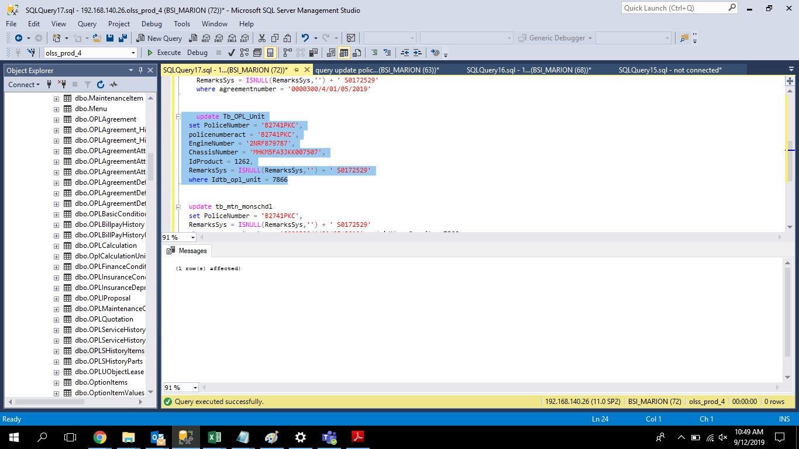
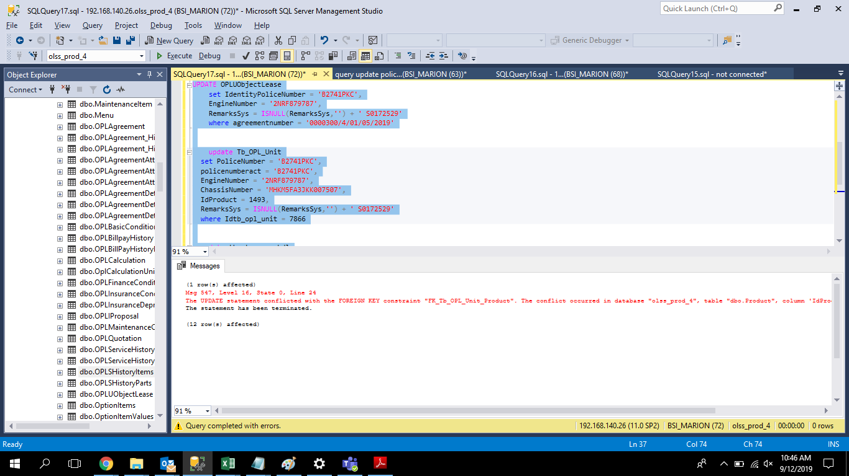
UPDATE OPLUObjectLease
 | set IdentityPoliceNumber = 'B2741PKC',
 | EngineNumber = '2NRF879787',
 | RemarksSys = ISNULL(RemarksSys,'') + ' S0172529'
 | where agreementnumber = '0000300/4/01/05/2019'

 | update Tb_OPL_Unit
set PoliceNumber = 'B2741PKC',
policenumberact = 'B2741PKC',
EngineNumber = '2NRF879787',
ChassisNumber = 'MHKM5FA3JKK007507',
IdProduct = 1262,
RemarksSys = ISNULL(RemarksSys,'') + ' S0172529'
where Idtb_opl_unit = 7866

update tb_mtn_monschdl
set PoliceNumber = 'B2741PKC',
RemarksSys = ISNULL(RemarksSys,'') + ' S0172529'
where agreementnumber = '0000300/4/01/05/2019' and idtb_opl_unit = 7866

Screenshot
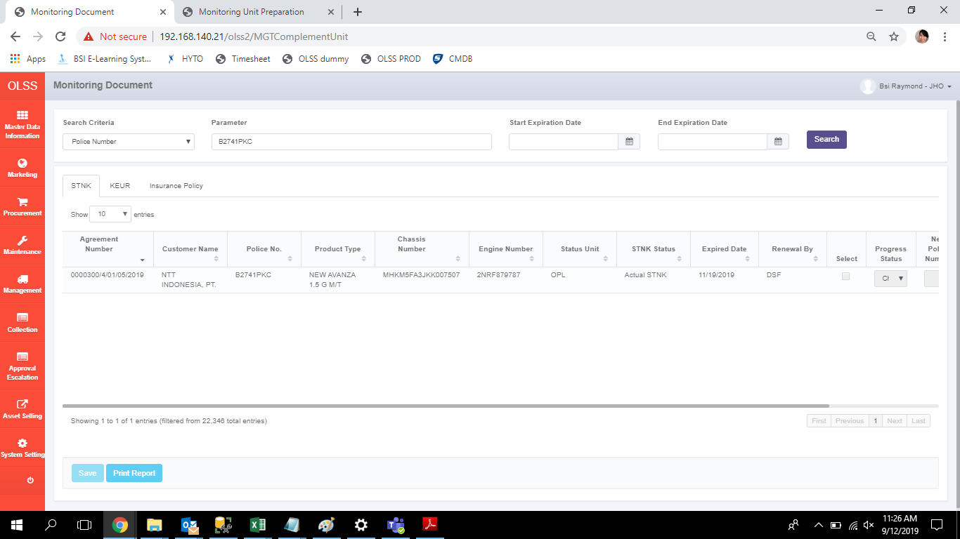
BEFORE
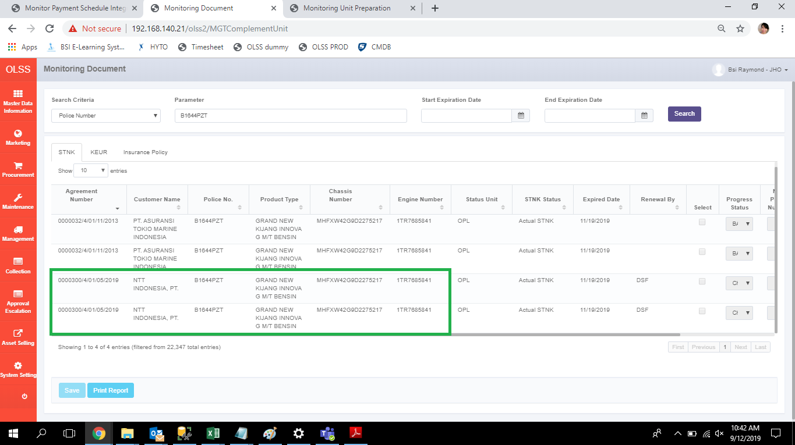

AFTER

insert tb_mgt_historydoc
USE [olss_prod_4]
GO

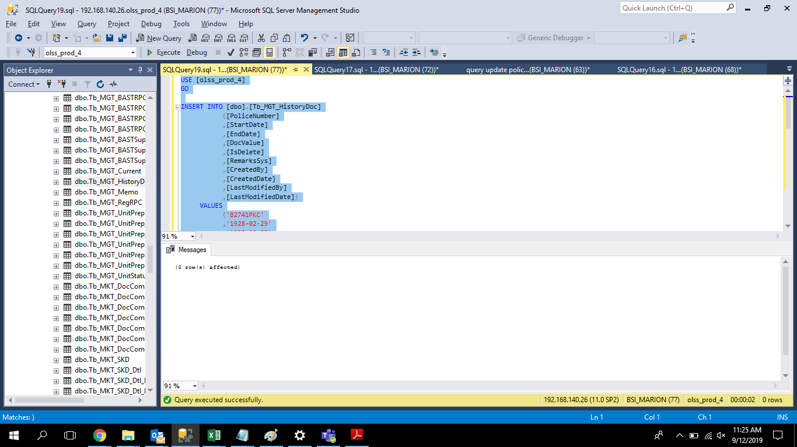
INSERT INTO [dbo].[Tb_MGT_HistoryDoc]
([PoliceNumber]
,[StartDate]
,[EndDate]
,[DocValue]
,[IsDelete]
,[RemarksSys]
,[CreatedBy]
,[CreatedDate]
,[LastModifiedBy]
,[LastModifiedDate])
VALUES
('B2741PKC'
,'1928-02-29'
,'1928-02-29'
,1
,0
,NULL
,'BSI MARION'
,GETDATE()
,NULL
,NULL),
 | ('B2741PKC'
,'1928-02-29'
,'1928-02-29'
,2
,0
,NULL
,'BSI MARION'
,GETDATE()
,NULL
,NULL),
 | ('B2741PKC'
,'1928-02-29'
,'1928-02-29'
,3
,0
,NULL
,'BSI MARION'
,GETDATE()
,NULL
,NULL)
GO

